Config
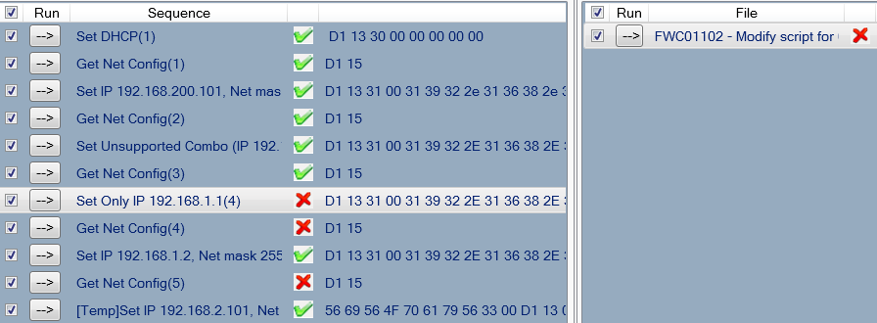
Part | Title | Title No. | Case No./Name | Description | Test result | Note | JIRA | Duc's Comments
Config | Buzzer, LED | 01BuzzerLED | 1BuzzerLED_Buzzer_01-02 | Beep | Pass |  |  | All tests pass on r26188
 |  |  | 2BuzzerLED_LED_01-02 | LED | Pass |  | PSH-885 - Fixed and Closed | All tests pass on r26188
 |  |  | 1SourceIndicator_Buzzer_01-05_TW | Buzzer | Pass | Modified script to disabled Buzzer UI - 03 00 14 00 | PSH-886 - Not a bug. See comments - Closed | All tests pass on r26188
 |  |  | 2SourceIndicator_LCDText_01-05_TW | LCD, ViVOpay default text | Pass | Modified script to disabled default MSG UI - 03 00 11 00 |  | All tests pass on r26188
 |  |  | 3SourceIndicator_LCDTrans_01-05_TW | LCD, Transaction type | Pass | Added 9C to Activate Transaction for default transaction type. | PSH-870 - See Comments from Kate's Issue | All tests pass on r26188
 |  |  | 4SourceIndicator_LED_01-05_TW | LED | Pass | All tests passes |  | All tests pass on r26188
 |  |  | 5SourceIndicator_LCDLogo_01-05_TW | LCD Contactless logo | Pass | Modify Script to Disable Contactless Logo UI – 03 00 18 00 |  | All tests pass on r26188
 |  |  | 14SysConfig_MaskDataDFEE1D_04-01,03-02_TW | Configuration for Masking Sensitive Data (DFEE1D) | Pass | Load Data encryption key and PIN key |  | See video to load keys - on r26134
 |  |  | 16SysConfig_LangOptLCDDFEE38_04-01,03-02 | Language Option for LCD display (DFEE38) | Pass | Modify script now Passes | PSH-891 - response returns incorrect format. Enhancement, | All tests pass on r26188
 |  |  | 17SysConfig_AppCapabilityDFEE44_04-01,03-02_TW | Application Capability (DFEE44) | Pass | Modify script now Passes, Default DFEE44=B5 FF, Script Shows FF FF, |  | All tests pass on r26188
 |  |  | 19SysConfig_PriLangDFEE57_04-01,03-02 | Reader Primary Language(DFEE57) | Pass | Modify script now passes, returns correct error response | PSH-891 - Fixed and Closed. | All tests pass on r26188
 |  |  | 20SysConfig_SecLangDFEE58_04-01,03-02 | Reader Secondary Language(DFEE58) | Fail | Set fr, es, en, can not be set for DFEE58, Can be set for DFEE57 - CHECK! r26188 | PSH-989 - Fixed | Check next available build
 |  |  | 21SysConfig_EnableStopCmdDFEE68_04-01,03-02 | Stop Command Processing Enable(DFEE68) | Pass | Set 02 (Invalid), now correct with modified script. | PSH-891 - Fixed and Closed | All tests pass on r26188
 |  |  | 27SysConfig_HeartbeatDFEF72_04-01,03-02 | Heartbeat Enable (DFEF2A) | Pass | All 4 tests passes, Fixed script for invalid response. |  | All tests pass on r26188
 |  |  | 29SysConfig_TimeZoneDFEF43_04-01,03-02 | Time Zone and Daylight Savings Information(DFEF43) | Pass | All 7 tests passes |  | All tests pass on r26188
 |  |  | 30SysConfig_PrepollMechCtlDFEF72_04-01,03-02 | Pre-poll card mechanism control(DFEF72) | Pass | Modified script to return correct format for error response. | PSH-891 - Fixed and Closed | All tests pass on r26188
 | Terminal Data | 06EMVTerminal | FWC00601 | 9F33,Terminal Capabilities | Pass | FWC00601 - Fixed Script. Set 60F8C8 Default for 9F33 | PSH-893 - Fixed and Closed | All tests pass on r26188
 |  |  | FWC00602 | 9F35,Terminal Type | Pass | FWC00602 - Fixed Script. Set 22 Default for 9F35 | PSH-893 - Fixed and Closed | All tests pass on r26188
 |  |  | FWC00603_TW |  | Pass | FWC00603 - Fixed Script. Set F000F0A001 Default for 9F40 | PSH-893 - Fixed and Closed | All tests pass on r26188
 |  |  | FWC00604 | DFEE11,Transaction Log Support | Pass | FWC00604 - Fixed Script. Set 01 Default for DFEE11 | PSH-893 - Fixed and Closed | All tests pass on r26188
 |  |  | FWC00605_TW | DFEE0F,Revocation List Support | Pass | FWC00605_TW - Fixed Script. Set 01 Default for DFEE0F | PSH-893 - Fixed and Closed | All tests pass on r26188
 |  |  | FWC00606 | DFEE3E,Exception File Support | Pass | FWC00606 - Fixed Script. Set 00 Default for DFEE3E | PSH-893 - Fixed and Closed | All tests pass on r26188
 |  |  | FWC00607 | DFEE1E,Contact Terminal Configuration | Pass | FWC00607 - Fixed Script. Set F0DC3CF0C29E9600 Default for DFEE1E | PSH-893 - Fixed and Closed | All tests pass on r26188
 |  |  | FWC00608 | 5F36,Transaction Currency Exponent | Pass | FWC00608 - Fixed Script. Set 02 Default for 5F36 | PSH-893 - Fixed and Closed | All tests pass on r26188
 |  |  | FWC00609 | 9F1A,Terminal Country | Pass | FWC00609 - Fixed Script. Set 0840 Default for 9F1A | PSH-893 - Fixed and Closed | All tests pass on r26188
 |  |  | FWC00610 | 9F1E,Interface Device Serial Number | Pass | FWC00610 - Fixed Script. Set 5465726D696E616C Default for 9F1E | PSH-893 - Fixed and Closed | All tests pass on r26188
 |  |  | FWC00611 | 9F15,Merchant Code | Pass | FWC00611 - Fixed Script. Set 1234 Default for 9F15 | PSH-893 - Fixed and Closed | All tests pass on r26188
 |  |  | FWC00612 | 9F16,Merchant Identifier | Pass | FWC00612 - Fixed Script. Set Default for 9F16 | PSH-893 - Fixed and Closed | All tests pass on r26188
 |  |  | FWC00613 | 9F1C,Terminal Identification | Pass | FWC00613 - Fixed Script. Set Default for 9F1C | PSH-893 - Fixed and Closed | All tests pass on r26188
 |  |  | FWC00614 | 9F4E,Merchant Name and Location | Pass | FWC00614 - Fixed Script. Set Default for 9F4E | PSH-893 - Fixed and Closed | All tests pass on r26188
 |  |  | FWC00615 | DFEE10,Language | Pass | FWC00615 - Fixed Script. Set Default for DFEE10 | PSH-893 - Fixed and Closed | All tests pass on r26188
 |  |  | FWC00616 | DFEE15,Application Selection Indicator | Pass | FWC00616 - Fixed Script. Set Default for DFEE15 | PSH-893 - Fixed and Closed | All tests pass on r26188
 |  |  | FWC00617 | DFEE16,DUKPT or MK/SK Select for online PIN encrypted | Pass | FWC00617 - Fixed Script. Set Default for DFEE16 | PSH-893 - Fixed and Closed | All tests pass on r26188
 |  |  | FWC00618 | DFEE17,ICC Entry Mode | Pass | FWC00618 - Fixed Script. Set Default for DFEE17 | PSH-893 - Fixed and Closed | All tests pass on r26188
 |  |  | FWC00619 | DFEE18,Terminal Encrypt Mode for MSR | Pass | FWC00619 - Fixed Script. Set Default for DFEE18 | PSH-893 - Fixed and Closed | All tests pass on r26188
 |  |  | FWC00620 | DFEE1F,Issuer script device limit | Pass | FWC00620 - Fixed Script. Set Default for DFEE19 | PSH-893 - Fixed and Closed | All tests pass on r26188
 |  |  | FWC00621 | DFEE1B,Authorization Response Code | Pass | FWC00621 - Fixed Script. Set Default for DFEE1B | PSH-893 - Fixed and Closed | All tests pass on r26188
 |  |  | FWC00622 | DFEE20,ICC Power on detect waiting time | Pass | FWC00622 - Fixed Script. Set Default for DFEE20 | PSH-893 - Fixed and Closed | All tests pass on r26188
 |  |  | FWC00623 | DFEE21,ICC L1 waiting time | Pass | FWC00623 - Fixed Script. Set Default for DFEE21 | PSH-893 - Fixed and Closed | All tests pass on r26188
 |  |  | FWC00624 | DFEE22,Driver Timeout | Pass | FWC00624 - Fixed Script. Set Default for DFEE22 | PSH-893 - Fixed and Closed | All tests pass on r26188
 | VP8800 LED Commands | 10LED | FWC01001 | Tri-color MSR LED Control | Pass | All tests passes |  | All tests pass on r26188
 |  |  | FWC01002 | ICC LED Control | Pass | All tests passes |  | All tests pass on r26188
 |  |  | FWC01003 | KEYPAD Backlight Control | Pass | All tests passes |  | All tests pass on r26188
 | Network Commands | 11Network | FWC01101 | Ethernet MAC Address | Pass | All tests passes |  | All tests pass on r26188
 |  |  | FWC01102 | Network Configuration | Fail | 3 tests fail w USB Connection, See screenshot below, Modified script for error response | Investigate | 3 Test fail on r26188
 | UTC Date and Time | 12UTC | FWC01201 | UTC date, non-secure mode | Pass | Fixed scripts | PSH-900 - Returns "0C" - Not a bug. See Note, observed on r26024 | All tests pass on r26188
 |  |  | FWC01202 | UTC time, non-secure mode | Pass | Use SMFG set uTC (91-01_ or SMGS Set UTC (93-05) Instead, Per JIRA, Need to modify scripts | PSH-900 - Returns "0C" - Not a bug. See Note, observed on r26025 | All tests pass on r26188

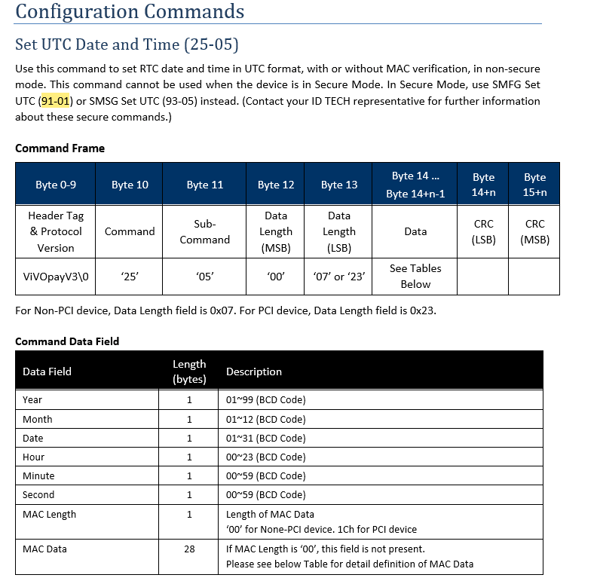
 |  |  |  |  |  | FWC01102 - Network Configuration

Secure Passthrough
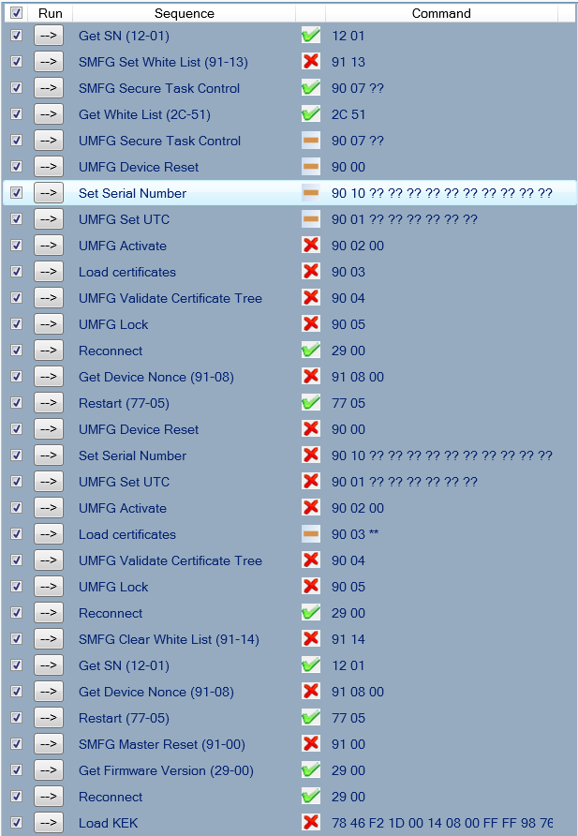
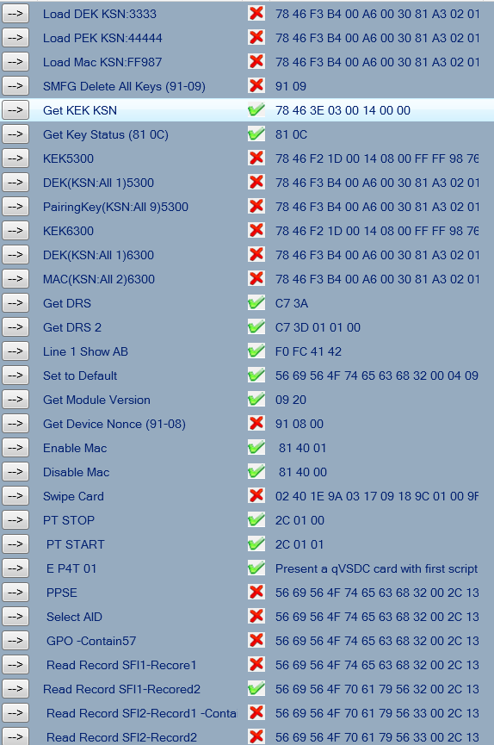
Part | Title | Title No. | Case No./Name | Description | Test result | Notes
 | - | - | PassThrough_ExchangeCLData_WithWhitelist_2C-13_TW | - | Fail | See failed tests and results below on r26188. Kate can you run these since there are many failures?
 |  |  |  |  | Fail | SMFG Set White List returns 91 0A, expecting 91 00
 |  |  |  |  | Fail | UMFG Device Reset returns 90 0A, expecting 90 00
 |  |  |  |  | Fail | Set Serial Number returns 90 07, expecting 90 00
 |  |  |  |  | Fail | UMFG Set UTC returns 90 0A, expecting 90 00
 |  |  |  |  | Fail | UMFG Activate returns 90 0A, expecting 90 00
 |  |  |  |  | Fail | Load Certificates returns 90 0A, expecting 90 00
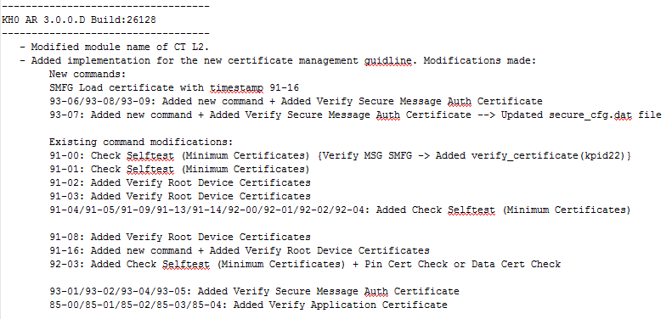
 |  |  |  |  | Fail | UMFG Validate Certificate Tree returns 90 0A, expecting 90 00
 |  |  |  |  | Fail | UMFG Lock returns 90 0A, expecting 90 00
 |  |  |  |  | Fail | UMFG Device Reset returns 90 0A, expecting 90 00
 |  |  |  |  | Fail | Set Serial Number returns 90 07, expecting 90 00
 |  |  |  |  | Fail | UMFG Set UTC returns 90 0A, expecting 90 00
 |  |  |  |  | Fail | UMFG Activate returns 90 0A, expecting 90 00
 |  |  |  |  | Fail | Load Certificates returns 90 0A, expecting 90 00
 |  |  |  |  | Fail | UMFG Validate Certificate Tree returns 90 0A, expecting 90 00
 |  |  |  |  | Fail | UMFG Lock returns 90 0A, expecting 90 00
 |  |  |  |  | Fail | SMFG Clears White List returns 90 0A, expecting 90 00
 |  |  |  |  | Fail | SMFG Master Reset returns 91 0A, expecting 91 00
 |  |  |  |  | Fail | Load KEK returns 02 06 00 15 90 57 78 46 F2 1E AC 03, expecting 06 78 46 F2 03 00 5B AE 0A
 |  |  |  |  | Fail | SMFG Delete All Keys returns 91 0A, expecting 91 00
 |  |  |  |  | Fail | KEK5300 returns 02 06 00 15 90 57 78 46 F2 1E AC 03, expecting 06 78 46 F2 03 00 5B AE 0A
 |  |  |  |  | Fail | KEK6300 returns 02 06 00 15 90 57 78 46 F2 1E AC 03, expecting 06 78 46 F2 03 00 5B AE 0A
 |  |  |  |  | Fail | Set to Default, no response.
 |  |  |  |  | Fail | Enable Mac returns 81 0B, expecting 81 00
 |  |  |  |  | Fail | Swipe Card returns 02 03, expecting 56 69 56 4F 74 65 63 68 32 00 02 00 "Change AT to 02 05 instead of 02 40"????
 |  |  |  |  | Fail | PPSE returns 2C 0A, expecting 2C 00 ** ** etc.
 |  |  |  |  | Fail | Select AID return 2C 0A, expecting 2C 00 ** ** etc
 |  |  |  |  | Fail | GPO -Contain57 returns 2C 0A, expecting 2C 00 ** ** etc.
 |  |  |  |  | Fail | Read Record SFI1-Recore1 returns 2C 0C, expecting 2C 00 ** ** etc.
 |  |  |  |  | Fail | Read Record SFI1-Recore2 returns no response, expecting 2C 00
 |  |  |  |  | Fail | Read Record SFI2-Record1 -ContainPAN returns returns 2C 0C, expecting 2C 00 , expecting 70 10 5A 08 47 61 73 90 01 01 00 10 5F 24 03 20 12 31 90 00
 |  |  |  |  | Fail | Read Record SFI2-Record2 returns 2C 0C, expecting 70 0A 9F 69 07 01 11 22 33 44 20 00 90 00

